TOWER 1 - PRICE LIST
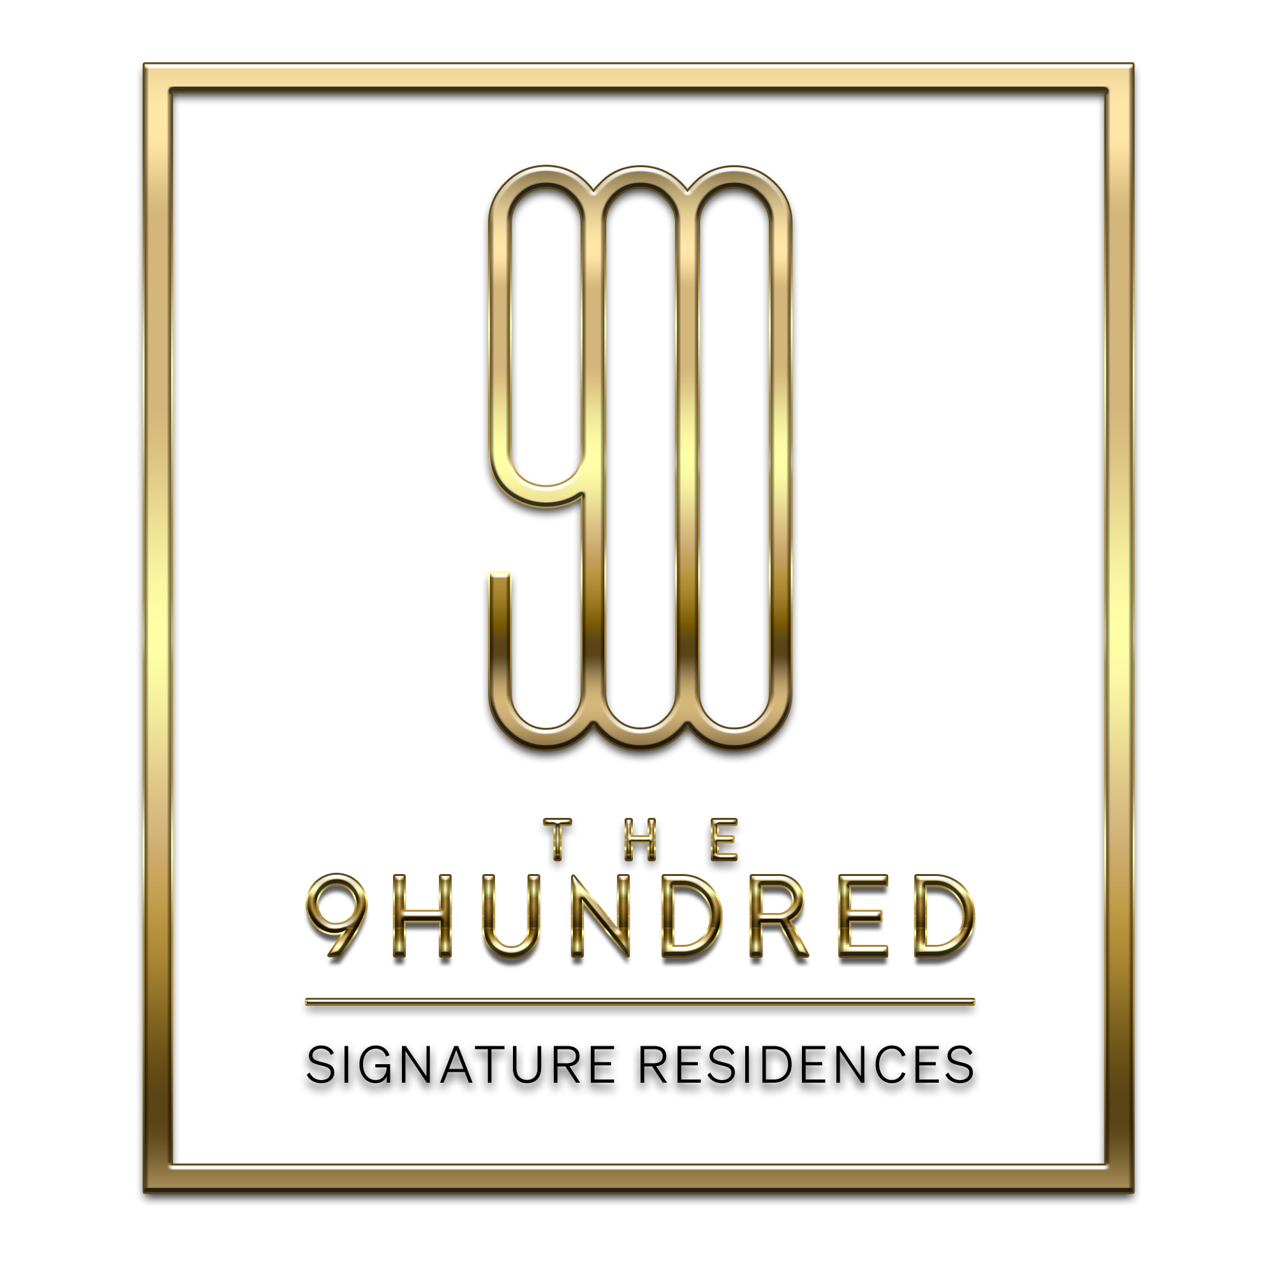
 |  |  | THE 9HUNDRED PRICE LIST

 |  |  | TOWER 1

 |  |  | Please contact our sales team with any questions/to reserve unit(s).


 |  |  | Kelly Litvack - 416-418-2740
 |  |  | Jason Garland - 416-896-2888
 |  |  | Susan Kurta - 647-992-1039

 |  |  |  |  |  | Hersh Realty Group 1260 Caledonia Road Toronto, Ontario M6A 2X5 Canada (416) 781-3232

Suite | Floor | VIP Price | Orig. Price | Size | Model | Balcony | Terrace | View | Type
702 | 6 | $874,900 | $894,900 | 756 | A2B-756 |  | 792 | W | 2B
703 | 6 | $699,900 | $714,900 | 574 | A1BD-574 |  | 103 | NW | 1B+D
705 | 6 | $699,900 | $714,900 | 580 | A1BS-580A |  | 368 | N | 1B+S
706 | 6 | $675,900 | $690,900 | 569 | A1B-569A |  | 322 | N | 1B
707 | 6 | $949,900 | $969,900 | 928 | A3B-928 |  | 775 | NE | 3B
708 | 6 | $1,049,900 | $1,069,900 | 1095 | A3BD(BF)-1095A |  | 277 | E | 3B+D (BF)(GUG)
710 | 6 | $978,900 | $998,900 | 865 | A2B-865 |  | 325 | S | 2B (GUG)
804 | 7 | $679,900 | $694,900 | 558 | A1B-558A |  |  | SW | 1B
805 | 7 | $669,900 | $684,900 | 556 | A1B-556A |  |  | W | 1B
806 | 7 | $699,900 | $714,900 | 588 | A1BD-588 |  |  | N | 1B+D
807 | 7 | $689,900 | $704,900 | 580 | A1BS-580B |  |  | N | 1B+S
808 | 7 | $679,900 | $694,900 | 569 | A1B-569B |  |  | N | 1B
809 | 7 | $949,900 | $969,900 | 808 | A2B-808 |  | 105 | NE | 2B
812 | 7 | $799,900 | $819,900 | 696 | A2B-696 |  | 147 | S | 2B
901 | 8 | $669,900 | $684,900 | 553 | A1BD-553 | 131 |  | S | 1B+D
902 | 8 | $589,900 | $604,900 | 483 | A1B-483 | 95 |  | S | 1B
903 | 8 | $979,900 | $999,900 | 864 | A2BD-864 | 316 |  | SW | 2B+D (GUG)
904 | 8 | $759,900 | $774,900 | 636 | A1B-636 | 113 |  | W | 1B
905 | 8 | $749,900 | $764,900 | 620 | A1BD-620 | 237 |  | NW | 1B+D
907 | 8 | $699,900 | $714,900 | 583 | A1B-583 | 172 |  | N | 1B
909 | 8 | $949,900 | $969,900 | 937 | A3B-937 | 272 |  | NE | 3B
910 | 8 | $699,900 | $714,900 | 579 | A1B(BF)-579 |  |  | E | 1B (BF)
911 | 8 | $769,900 | $784,900 | 641 | A1B-641 | 96 |  | SE | 1B
912 | 8 | $749,900 | $769,900 | 663 | A2B-663 | 157 |  | S | 2B
1001 | 9 | $749,900 | $764,900 | 627 | A1BD-627A | 136 |  | S | 1B+D
1002 | 9 | $594,900 | $609,900 | 491 | A1B-491B | 99 |  | S | 1B
1003 | 9 | $1,049,900 | $1,069,900 | 919 | A2BD-919 | 336 |  | SW | 2B+D (GUG)
1004 | 9 | $699,900 | $714,900 | 590 | A1B-590 | 116 |  | W | 1B
1005 | 9 | $669,900 | $684,900 | 542 | A1B-542 | 227 |  | NW | 1B
1007 | 9 | $701,900 | $716,900 | 571 | A1B-571 | 178 |  | N | 1B
1008 | 9 | $684,900 | $699,900 | 565 | A1B-565 | 156 |  | N | 1B
1009 | 9 | $929,900 | $949,900 | 949 | A3B-949 | 277 |  | NE | 3B
1010 | 9 | $689,900 | $704,900 | 572 | A1B(BF)-572 |  |  | E | 1B (BF)
1011 | 9 | $779,900 | $794,900 | 650 | A1B-650 | 109 |  | SE | 1B
1101 | 10 | $759,900 | $774,900 | 647 | A1BD-647 | 137 |  | S | 1B+D
1102 | 10 | $649,900 | $664,900 | 558 | A1B-558B | 148 |  | S | 1B
1103 | 10 | $1,049,900 | $1,069,900 | 895 | A2BD-895 | 294 |  | SW | 2B+D (GUG)
1104 | 10 | $739,900 | $754,900 | 629 | A1BS-629 | 114 |  | W | 1B+S
1105 | 10 | $899,900 | $919,900 | 798 | A2B-798 | 340 |  | NW | 2B
1107 | 10 | $689,900 | $704,900 | 563 | A1B-563 | 156 |  | N | 1B
1108 | 10 | $999,900 | $1,019,900 | 961 | A2B-961 | 270 |  | NE | 2B (GUG)
1109 | 10 | $692,900 | $707,900 | 565 | A1B(BF)-565 |  |  | E | 1B (BF)
1110 | 10 | $795,900 | $810,900 | 654 | A1B-654 | 118 |  | SE | 1B
1111 | 10 | $804,900 | $824,900 | 709 | A2B-709 | 163 |  | S | 2B
1201 | 11 | $779,900 | $794,900 | 670 | A1BD-670 | 137 |  | S | 1B+D
1202 | 11 | $699,900 | $714,900 | 598 | A1B-598 | 148 |  | S | 1B
1203 | 11 | $1,049,900 | $1,069,900 | 918 | A2BD-918 | 300 |  | SW | 2B+D (GUG)
1204 | 11 | $694,900 | $709,900 | 593 | A1BS-593 | 112 |  | W | 1B+S
1207 | 11 | $693,900 | $708,900 | 559 | A1B-559 | 157 |  | N | 1B
1208 | 11 | $1,004,900 | $1,024,900 | 968 | A2BD-968 | 264 |  | NE | 2B+D (GUG)
1209 | 11 | $694,900 | $709,900 | 559 | A1B(BF)-559 |  |  | E | 1B (BF)
1210 | 11 | $799,900 | $814,900 | 661 | A1B-661 | 127 |  | SE | 1B
1211 | 11 | $814,900 | $834,900 | 719 | A2B-719A | 163 |  | S | 2B
1302 | 12 | $1,069,900 | $1,089,900 | 948 | A2BD-948 | 389 |  | SW | 2B+D (GUG)
1303 | 12 | $939,900 | $959,900 | 838 | A2BD-838 | 123 |  | W | 2B+D (GUG)
1304 | 12 | $1,139,900 | $1,159,900 | 1035 | A2BD(BF)-1035 | 367 |  | NW | 2B+D (BF)(GUG)
1305 | 12 | $698,900 | $713,900 | 573 | A1B-573 | 180 |  | N | 1B
1306 | 12 | $688,900 | $703,900 | 556 | A1B-556B | 157 |  | N | 1B
1307 | 12 | $1,009,900 | $1,029,900 | 976 | A2BD-976 | 257 |  | NE | 2B+D (GUG)
1308 | 12 | $699,900 | $714,900 | 556 | A1B(BF)-556 |  |  | E | 1B (BF)
1309 | 12 | $803,900 | $818,900 | 669 | A1BD-669 | 135 |  | SE | 1B+D
1310 | 12 | $818,900 | $838,900 | 729 | A2B-729 | 163 |  | S | 2B
1402 | 13 | $1,039,900 | $1,059,900 | 1022 | A3BD-1022 | 381 |  | SW | 3B+D (GUG)
1403 | 13 | $909,900 | $929,900 | 799 | A2BD-799 | 117 |  | W | 2B+D
1404 | 13 | $998,900 | $1,018,900 | 954 | A2BD(BF)-954 | 340 |  | NW | 2B+D (BF)
1405 | 13 | $686,900 | $701,900 | 547 | A1B-547A | 173 |  | N | 1B
1406 | 13 | $688,900 | $703,900 | 553 | A1B-553 | 152 |  | N | 1B
1407 | 13 | $1,018,900 | $1,038,900 | 983 | A2BD-983 | 240 |  | NE | 2B+D (GUG)
1408 | 13 | $702,900 | $717,900 | 554 | A1B(BF)-554A |  |  | E | 1B (BF)
1409 | 13 | $805,900 | $820,900 | 676 | A1BD-676 | 138 |  | SE | 1B+D
1410 | 13 | $820,900 | $840,900 | 739 | A2B-739 | 158 |  | S | 2B
1502 | 14 | $1,108,900 | $1,128,900 | 1089 | A3BDO-1089 | 389 |  | SW | 3B+D+O (GUG)
1503 | 14 | $849,900 | $869,900 | 764 | A2BD-764 | 116 |  | W | 2B+D
1504 | 14 | $948,900 | $968,900 | 879 | A2BS(BF)-879 | 328 |  | NW | 2B+S (BF)(GUG)
1505 | 14 | $658,900 | $673,900 | 522 | A1B-522B | 174 |  | N | 1B
1506 | 14 | $689,900 | $704,900 | 550 | A1B-550 | 152 |  | N | 1B
1507 | 14 | $1,020,900 | $1,040,900 | 990 | A2BD-990 | 233 |  | NE | 2B+D (GUG)
1508 | 14 | $704,900 | $719,900 | 553 | A1B(BF)-553 |  |  | E | 1B (BF)
1509 | 14 | $808,900 | $823,900 | 683 | A1BD-683 | 146 |  | SE | 1B+D
1510 | 14 | $834,900 | $854,900 | 750 | A2B-750 | 158 |  | S | 2B
1602 | 15 | $1,098,900 | $1,118,900 | 1062 | A3BDO-1062 | 386 |  | SW | 3B+D+O (GUG)
1603 | 15 | $928,900 | $948,900 | 817 | A2BD-817 | 129 |  | W | 2B+D (GUG)
1604 | 15 | $898,900 | $918,900 | 792 | A2B-792 | 313 |  | NW | 2B
1605 | 15 | $664,900 | $679,900 | 530 | A1B-530 | 175 |  | N | 1B
1606 | 15 | $692,900 | $707,900 | 547 | A1B-547B | 153 |  | N | 1B
1607 | 15 | $1,023,900 | $1,043,900 | 992 | A2BD-992 | 226 |  | NE | 2B+D (GUG)
1608 | 15 | $706,900 | $721,900 | 554 | A1B(BF)-554B |  |  | E | 1B (BF)
1609 | 15 | $819,900 | $834,900 | 689 | A1BD-689 | 155 |  | SE | 1B+D
1610 | 15 | $848,900 | $868,900 | 762 | A2B-762 | 159 |  | S | 2B
1701 | 16 | $799,900 | $819,900 | 709 | A2B(BF)-709 | 134 |  | S | 2B (BF)
1702 | 16 | $1,128,900 | $1,148,900 | 1120 | A3BDO-1120 | 394 |  | SW | 3B+D+O (GUG)
1703 | 16 | $879,900 | $899,900 | 774 | A2B-774 | 126 |  | W | 2B
1704 | 16 | $848,900 | $868,900 | 743 | A2B-743 | 305 |  | NW | 2B
1705 | 16 | $632,900 | $647,900 | 500 | A1B-500 | 175 |  | N | 1B
1706 | 16 | $693,900 | $708,900 | 545 | A1B-545B | 153 |  | N | 1B
1707 | 16 | $1,028,900 | $1,048,900 | 989 | A2BD-989 | 219 |  | NE | 2B+D (GUG)
1708 | 16 | $709,900 | $724,900 | 557 | A1B(BF)-557 |  |  | E | 1B (BF)
1709 | 16 | $824,900 | $839,900 | 695 | A1BD-695 | 164 |  | SE | 1B+D
1710 | 16 | $843,900 | $863,900 | 741 | A2B-741 | 159 |  | S | 2B
1801 | 17 | $828,900 | $848,900 | 736 | A2B(BF)-736 | 134 |  | S | 2B (BF)
1802 | 17 | $1,149,900 | $1,169,900 | 1176 | A3BD-1176 | 403 |  | SW | 3B+D (GUG)
1803 | 17 | $849,900 | $869,900 | 746 | A2B-746 | 125 |  | W | 2B
1805 | 17 | $609,900 | $624,900 | 476 | A1B-476 | 176 |  | N | 1B
1806 | 17 | $698,900 | $713,900 | 544 | A1B-544 | 154 |  | N | 1B
1807 | 17 | $1,059,900 | $1,079,900 | 958 | A2BD-958 | 233 |  | NE | 2B+D (GUG)
1808 | 17 | $712,900 | $727,900 | 560 | A1B(BF)-560 |  |  | E | 1B (BF)
1809 | 17 | $836,900 | $851,900 | 701 | A1BD-701 | 173 |  | SE | 1B+D
1810 | 17 | $889,900 | $909,900 | 787 | A2B-787 | 160 |  | S | 2B
1901 | 18 | $858,900 | $878,900 | 763 | A2B(BF)-763 | 135 |  | S | 2B (BF)
1902 | 18 | $1,199,900 | $1,219,900 | 1227 | A3BD-1227 | 412 |  | SW | 3B+D (GUG)
1904 | 18 | $612,900 | $627,900 | 481 | A1B-481 | 220 |  | NW | 1B
1907 | 18 | $809,900 | $824,900 | 665 | A1BD-665 | 436 |  | NE | 1B+D
1909 | 18 | $808,900 | $823,900 | 639 | A1BD-639 | 222 |  | SE | 1B+D
1910 | 18 | $908,900 | $928,900 | 802 | A2B-802 | 161 |  | S | 2B
2001 | 19 | $978,900 | $998,900 | 875 | A2B(BF)-875 | 136 |  | S | 2B (BF)(GUG)
2003 | 19 | $1,173,900 | $1,193,900 | 1169 | A3BD(BF)-1169 | 393 |  | W | 3B+D (BF)(GUG)
2004 | 19 | $689,900 | $704,900 | 539 | A1B-539 | 231 |  | NW | 1B
2005 | 19 | $999,900 | $1,019,900 | 903 | A2BD-903 | 565 |  | N | 2B+D (GUG)
2006 | 19 | $749,900 | $769,900 | 644 | A2B-644 | 455 |  | N | 2B
2007 | 19 | $918,900 | $938,900 | 816 | A2B-816 | 162 |  | NE | 2B (GUG)
2101 | 20 | $1,069,900 | $1,089,900 | 905 | A2B(BF)-905 | 137 |  | S | 2B (BF)(GUG)
2102 | 20 | $1,459,900 | $1,479,900 | 1371 | A3B(BF)-1371 | 423 |  | SW | 3B (BF)(GUG)
2103 | 20 | $1,229,900 | $1,249,900 | 1095 | A3BD(BF)-1095B | 383 |  | W | 3B+D (BF)(GUG)
2104 | 20 | $689,900 | $704,900 | 514 | A1B-514 | 232 |  | NW | 1B
2105 | 20 | $889,900 | $909,900 | 688 | A2B-688B | 695 |  | N | 2B
2106 | 20 | $1,079,900 | $1,099,900 | 1004 | A3B-1004 | 459 |  | N | 3B (GUG)

